Fig 2A
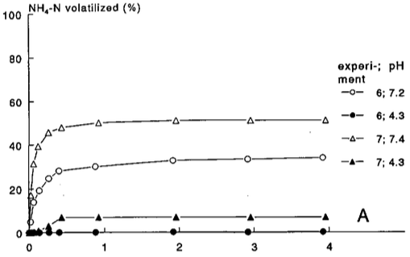
 | Time [d] | % NH4-N Volatilized | TAN application (kg N/ha) | Time (hr) | Shift duration (hr) | Cumulative emission (kg N/ha) | Average emission rate (kg N/ha-hr)
Exp6-pH7.2 | 0.0004739 | 0.02732 | 2.3 | 0.0113736 | 0.0113736 | 0.00062836 | 0.055247239221
 | 0.02641 | 5.073 | 2.3 | 0.63384 | 0.6224664 | 0.116679 | 0.18643679402
 | 0.06531 | 13.9 | 2.3 | 1.56744 | 0.9336 | 0.3197 | 0.21746036847
 | 0.1431 | 19.26 | 2.3 | 3.4344 | 1.86696 | 0.44298 | 0.06603248061
 | 0.2685 | 24.62 | 2.3 | 6.444 | 3.0096 | 0.56626 | 0.04096225412
 | 0.3981 | 28.25 | 2.3 | 9.5544 | 3.1104 | 0.64975 | 0.02684220679
 | 0.8823 | 30.3 | 2.3 | 21.1752 | 11.6208 | 0.6969 | 0.0040573798706
 | 1.915 | 33.14 | 2.3 | 45.96 | 24.7848 | 0.76222 | 0.0026354862658
 | 2.909 | 33.77 | 2.3 | 69.816 | 23.856 | 0.77671 | 0.0006073943662
 | 3.908 | 34.4 | 2.3 | 93.792 | 23.976 | 0.7912 | 0.00060435435435

Exp7-pH7.4 | 0.0004739 | 0.02732 | 2.3
 | 0.02641 | 16.74 | 2.3
 | 0.06099 | 30.93 | 2.3
 | 0.1172 | 38.97 | 2.3
 | 0.2555 | 45.28 | 2.3
 | 0.4327 | 47.8 | 2.3
 | 0.9212 | 50.01 | 2.3
 | 1.954 | 51.43 | 2.3
 | 2.948 | 51.74 | 2.3
 | 3.947 | 51.74 | 2.3

Exp6-pH4.3 | 0.0001249 | 0.1134 | 1.7
 | 0.2679 | 0.1134 | 1.7
 | 0.4018 | 0.1134 | 1.7
 | 0.8855 | 0.2709 | 1.7
 | 1.922 | 0.4285 | 1.7
 | 2.916 | 0.4285 | 1.7
 | 3.918 | 0.7436 | 1.7

Exp7-pH4.3 | 0.06923 | 0.1134 | 1.7
 | 0.2593 | 2.949 | 1.7
 | 0.4364 | 6.73 | 1.7
 | 0.9287 | 7.203 | 1.7
 | 1.961 | 7.203 | 1.7
 | 2.954 | 7.203 | 1.7
 | 3.948 | 7.36 | 1.7

Fig 2B
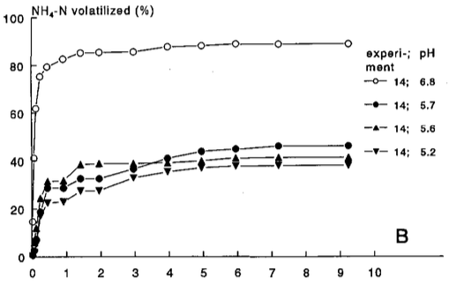
 | Time [d] | % NH4-N Volatilized
Exp14-pH5.2 | 9.222 | 38.34
 | 7.183 | 38.34
 | 5.941 | 37.86
 | 4.937 | 37.22
 | 3.954 | 35.62
 | 2.95 | 32.9
 | 1.957 | 27.62
 | 1.419 | 27.46
 | 0.9221 | 22.98
 | 0.4565 | 22.5
 | 0.2598 | 17.07
 | 0.001135 | 0.1112

Exp14-pH5.6 | 9.211 | 41.38
 | 7.183 | 41.22
 | 5.931 | 41.06
 | 4.937 | 40.1
 | 3.944 | 39.14
 | 2.95 | 38.82
 | 1.957 | 38.66
 | 1.419 | 38.02
 | 0.9118 | 31.46
 | 0.4461 | 31.14
 | 0.2495 | 23.94
 | 0.115 | 11.31
 | 0.001135 | 0.1112

Exp14-pH5.7 | 9.222 | 46.49
 | 7.183 | 46.33
 | 5.931 | 45.22
 | 4.937 | 44.26
 | 3.954 | 41.22
 | 2.961 | 36.58
 | 1.957 | 32.74
 | 1.419 | 32.42
 | 0.9221 | 28.42
 | 0.4565 | 28.42
 | 0.2391 | 18.34
 | 0.1046 | 6.509
 | 0.001135 | 0.1112

Exp14-pH6.8 | 9.211 | 89.68
 | 7.162 | 89.52
 | 5.92 | 89.52
 | 4.927 | 88.72
 | 3.944 | 88.24
 | 2.95 | 86.16
 | 1.947 | 85.84
 | 1.409 | 85.52
 | 0.9014 | 82.8
 | 0.4358 | 79.44
 | 0.2185 | 75.6
 | 0.115 | 62.17
 | 0.06322 | 41.38
 | 0.02183 | 14.51
 | 0.001135 | 0.1112

Fig 3
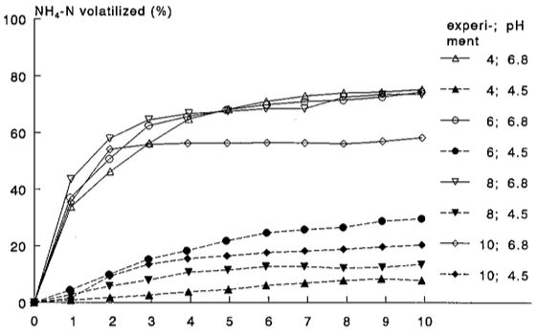
 | Time [d] | % NH4-N Volatilized
Exp4-pH4.5 | 9.925 | 7.875
 | 8.887 | 8.346
 | 7.914 | 7.875
 | 6.931 | 6.775
 | 5.937 | 6.147
 | 4.976 | 4.576
 | 3.949 | 3.79
 | 2.922 | 2.691
 | 1.928 | 1.748
 | 0.934 | 0.9627
 | 0.005445 | 0.0201

Exp4-pH6.8 | 9.935 | 74.95
 | 8.909 | 74.17
 | 7.925 | 73.54
 | 6.931 | 72.6
 | 5.937 | 70.55
 | 4.954 | 67.88
 | 3.96 | 64.27
 | 2.944 | 55.95
 | 1.939 | 45.89
 | 0.934 | 33.48
 | 0.005445 | 0.0201

Exp6-pH4.5 | 9.925 | 29.55
 | 8.909 | 28.61
 | 7.914 | 26.41
 | 6.92 | 25.63
 | 5.948 | 24.53
 | 4.921 | 21.7
 | 3.905 | 18.24
 | 2.922 | 15.26
 | 1.906 | 9.917
 | 0.9121 | 4.576
 | 0.005445 | 0.0201

Exp6-pH6.8 | 9.925 | 74.01
 | 8.909 | 72.28
 | 7.914 | 71.18
 | 6.92 | 70.55
 | 5.937 | 69.61
 | 4.921 | 67.73
 | 3.894 | 65.06
 | 2.922 | 62.39
 | 1.906 | 50.45
 | 0.9121 | 37.09
 | 0.005445 | 0.0201

Exp8-pH4.5 | 9.914 | 13.69
 | 8.92 | 12.59
 | 7.925 | 12.27
 | 6.92 | 12.74
 | 5.937 | 12.9
 | 4.954 | 11.64
 | 3.949 | 10.86
 | 2.922 | 8.189
 | 1.928 | 6.147
 | 0.9231 | 3.005
 | 0.005445 | 0.0201

Exp8-pH6.8 | 9.925 | 73.38
 | 8.909 | 73.23
 | 7.925 | 72.13
 | 6.92 | 68.51
 | 5.926 | 68.2
 | 5.009 | 67.57
 | 3.96 | 67.1
 | 2.922 | 64.43
 | 1.917 | 57.99
 | 0.934 | 43.69
 | 0.005445 | 0.0201

Exp-10-pH4.5 | 9.946 | 20.29
 | 8.92 | 19.5
 | 7.914 | 18.71
 | 6.931 | 18.09
 | 5.948 | 17.46
 | 4.932 | 16.2
 | 3.916 | 15.26
 | 2.933 | 13.37
 | 1.928 | 9.131
 | 0.9231 | 1.434
 | 0.005445 | 0.0201

Exp10-pH6.8 | 9.935 | 58.14
 | 8.92 | 56.73
 | 7.925 | 55.95
 | 6.931 | 56.1
 | 5.959 | 56.42
 | 4.932 | 56.1
 | 3.927 | 56.1
 | 2.922 | 55.63
 | 1.928 | 53.75
 | 0.9449 | 35.21
 | 0.005445 | 0.0201

